External Results
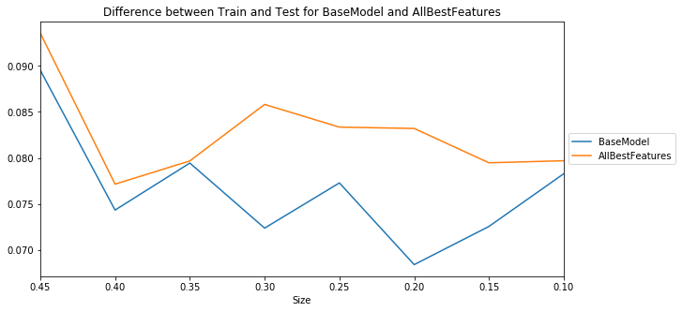
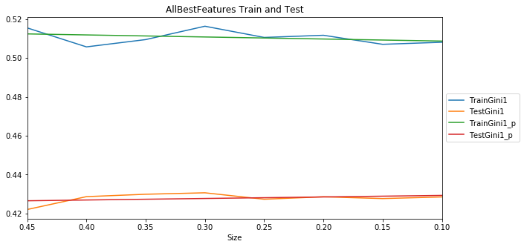
With scale_pos_weight
Model | S0.45 | S0.4 | S0.35 | S0.3 | S0.25 | S0.2 | S0.15 | S0.1 | Mean | t-pvalue | t-statistic | Group
BaseModel | 0.418712 | 0.42618 | 0.427734 | 0.427014 | 0.425411 | 0.427011 | 0.425911 | 0.426619 | 0.425574 | 1 | 0 | 1
external_make | 0.419116 | 0.425795 | 0.427458 | 0.426708 | 0.424537 | 0.426039 | 0.425981 | 0.423087 | 0.42484 | 0.604504 | 0.529871 | 1
external_model | 0.41744 | 0.426377 | 0.427626 | 0.427517 | 0.425769 | 0.426816 | 0.426095 | 0.425088 | 0.425341 | 0.882409 | 0.150639 | 1
external_engine | 0.421013 | 0.429414 | 0.430568 | 0.429678 | 0.42689 | 0.428853 | 0.428081 | 0.428467 | 0.42787 | 0.138662 | -1.570314 | 1
modelscore | 0.417948 | 0.425911 | 0.426788 | 0.425343 | 0.422698 | 0.426207 | 0.425578 | 0.425465 | 0.424492 | 0.465901 | 0.749608 | 1
external_length_in | 0.42263 | 0.430527 | 0.430778 | 0.429996 | 0.427817 | 0.429181 | 0.426952 | 0.426486 | 0.428046 | 0.098477 | -1.77009 | 1
external_width_in | 0.421569 | 0.428473 | 0.429446 | 0.429322 | 0.42785 | 0.42914 | 0.428309 | 0.429215 | 0.427916 | 0.110453 | -1.704061 | 1
external_height_in | 0.421455 | 0.428746 | 0.42917 | 0.42926 | 0.42611 | 0.425761 | 0.423456 | 0.424603 | 0.42607 | 0.7341 | -0.346527 | 1
VehicleDimensions | 0.422371 | 0.430214 | 0.429554 | 0.430255 | 0.427034 | 0.427769 | 0.425065 | 0.426182 | 0.427306 | 0.238224 | -1.232047 | 1
VehicleMakeModel | 0.418661 | 0.424818 | 0.427458 | 0.426454 | 0.425466 | 0.426357 | 0.42666 | 0.423501 | 0.424922 | 0.653118 | 0.459231 | 1
AllExternal | 0.421949 | 0.427001 | 0.42941 | 0.429688 | 0.426105 | 0.427762 | 0.425978 | 0.426468 | 0.426795 | 0.372531 | -0.921234 | 1
VehicleLengthWidth | 0.42271 | 0.429692 | 0.430644 | 0.43037 | 0.428545 | 0.429812 | 0.427763 | 0.42919 | 0.428591 | 0.043256 | -2.222249 | 2
AllBestFeatures | 0.42199 | 0.428616 | 0.42985 | 0.430595 | 0.427281 | 0.428549 | 0.427619 | 0.428463 | 0.42787 | 0.115992 | -1.675628 | 1

Overfitting slightly increased

